Context
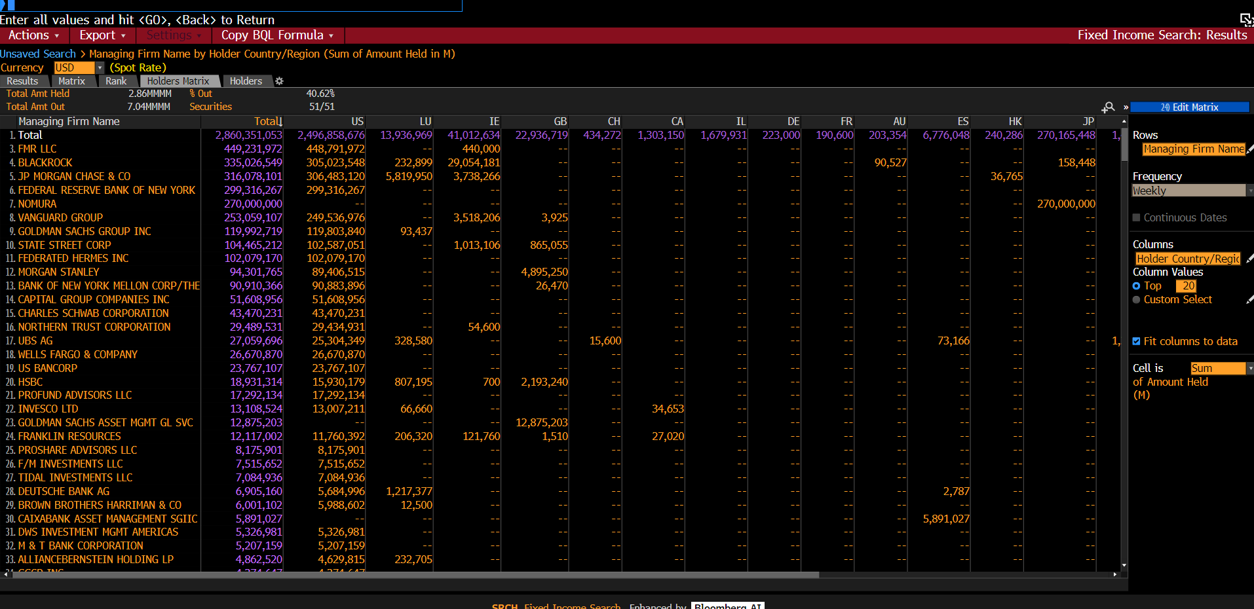
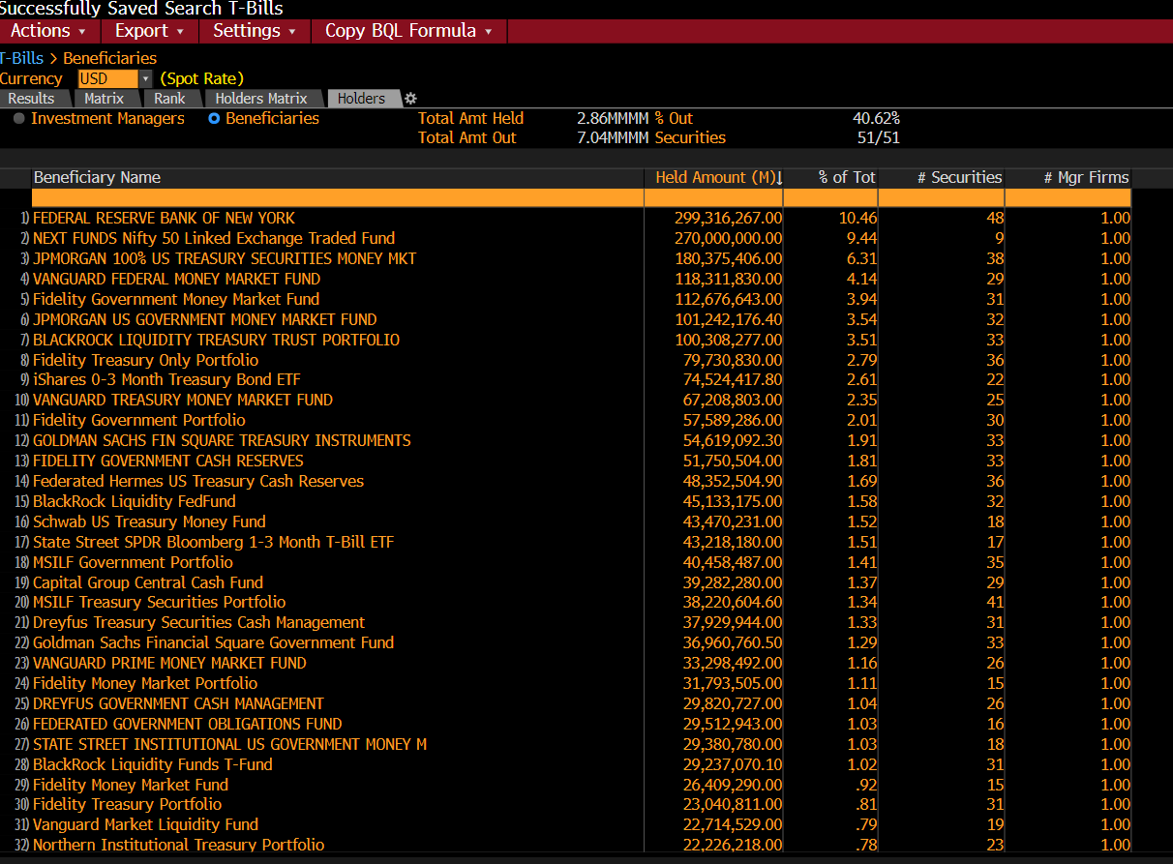
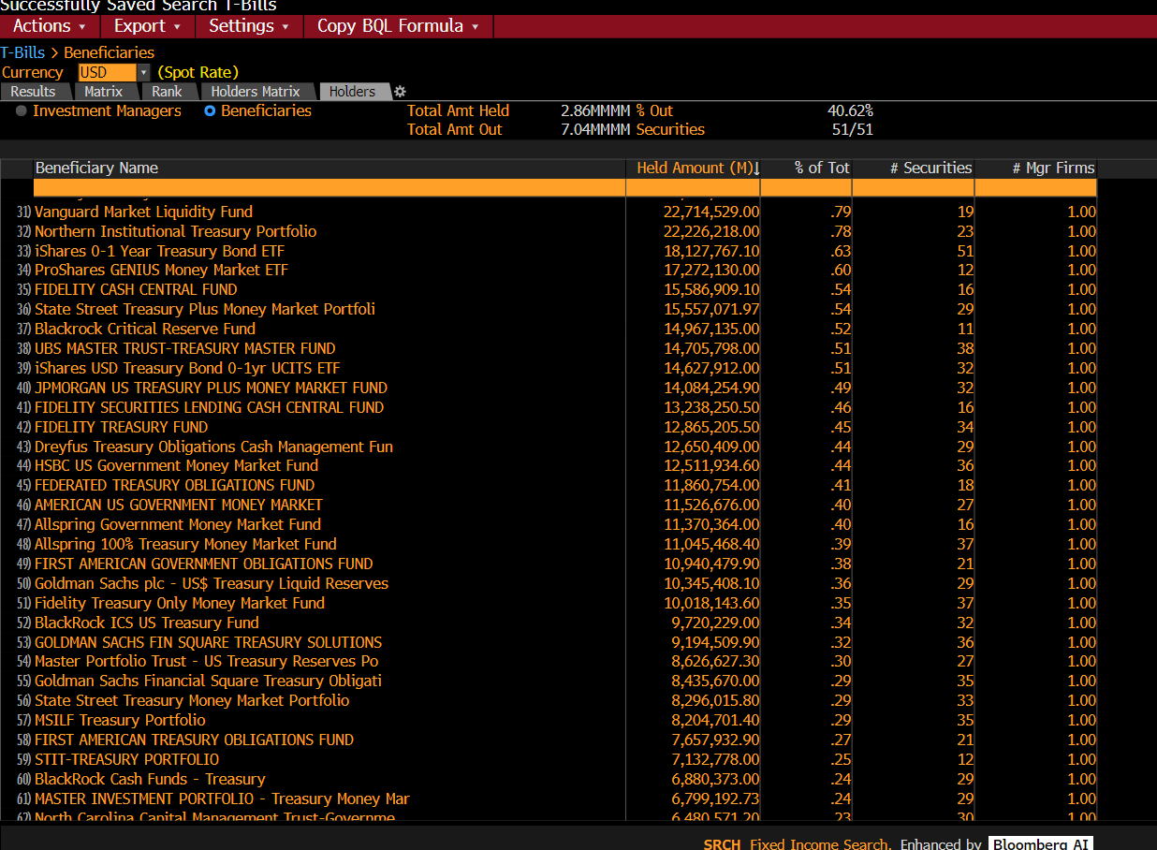
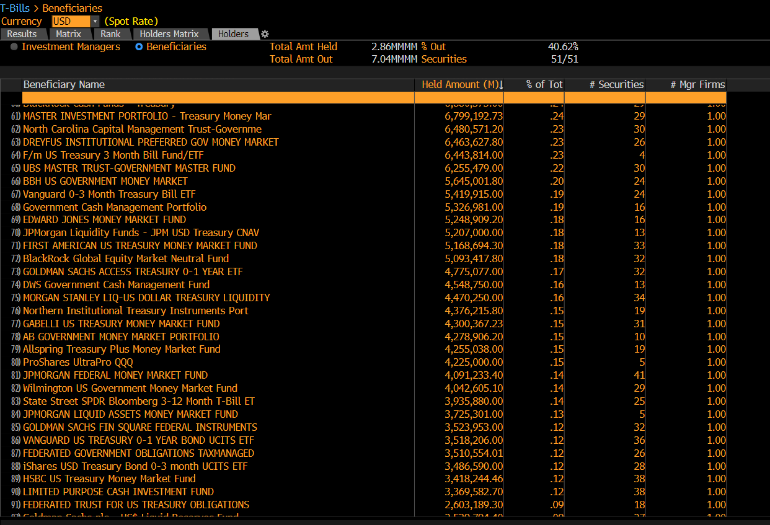
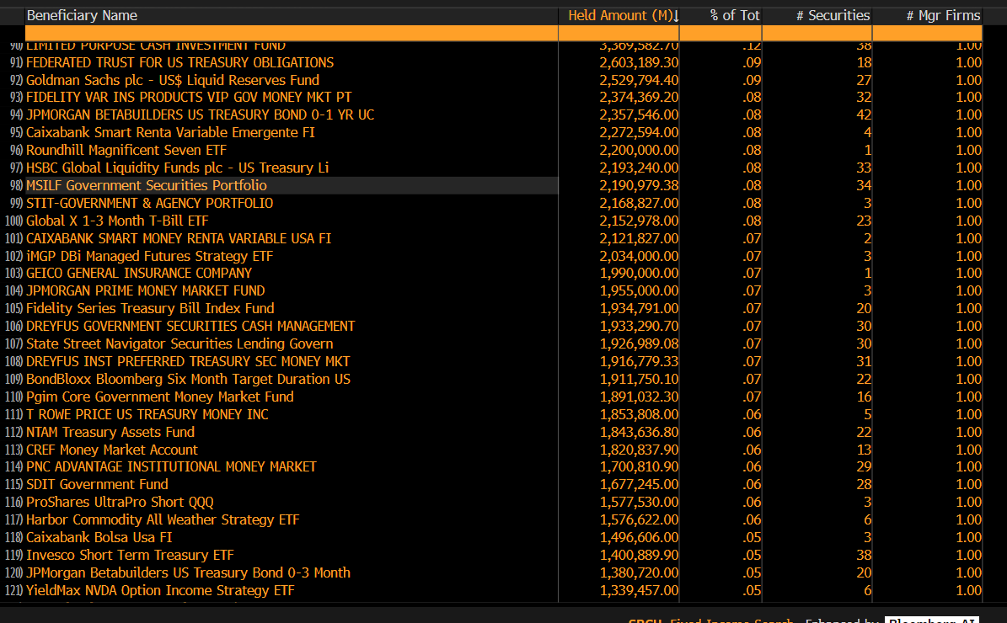
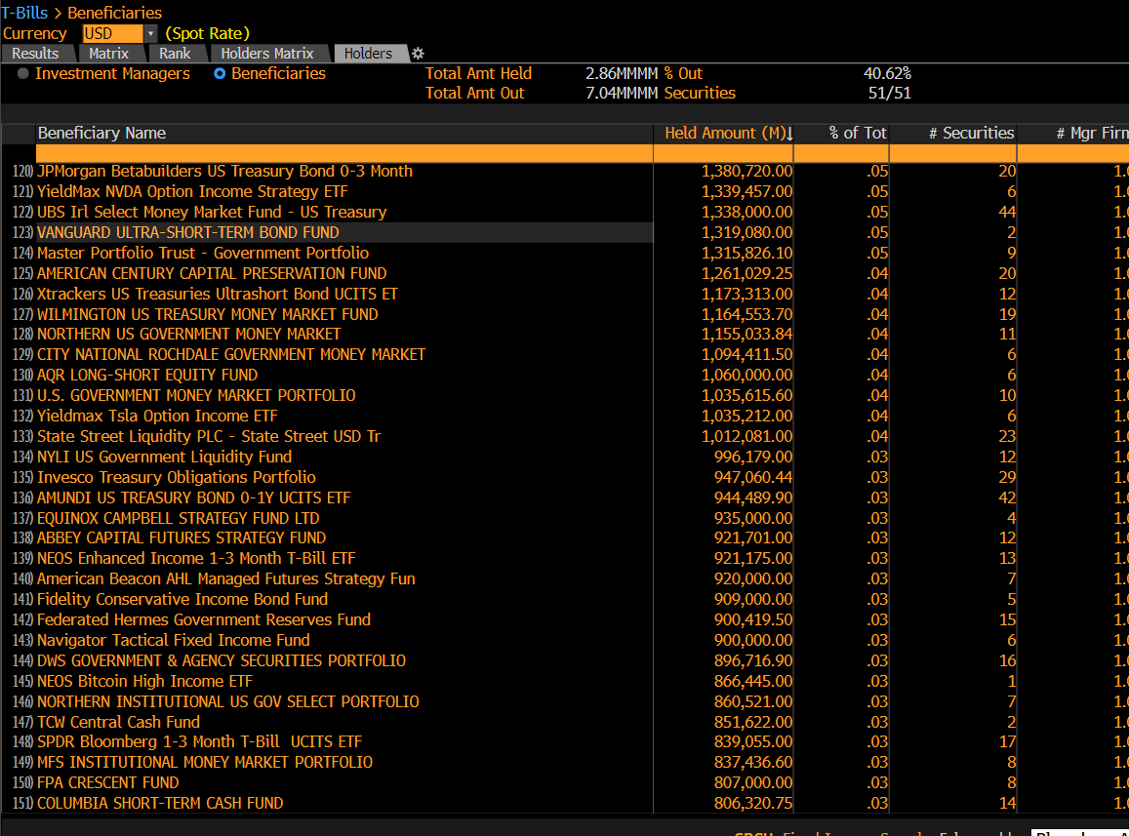
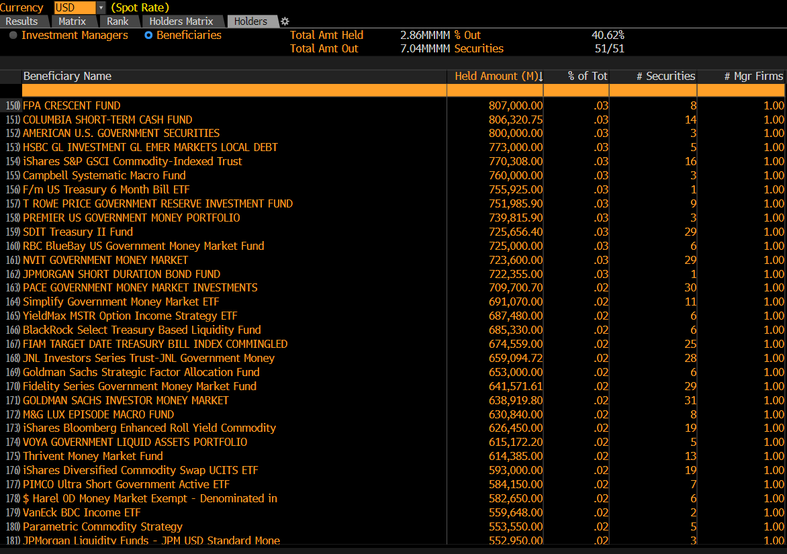
Summary
SRCH Matrix

Number of securities: 51
Currency: USD

Row: Managing Firm Name
Column: Holder Country/Region
Cell: sum of Amount Held

Created by LAURA LEON ( UCLA ANDERSON SCHOOL OF MANAGEMENT ) on 02/22/2026 22:35:48 GMT-0500 (EST)

SRCH Criteria
Asset Classes: Governments
Sources: All Securities
Security:
AND | Security Status | Include | Bonds : Active
AND | Issuer Name | Include | United States Treasury Bill ( B ) ( Current issuer )

